Fishbone Diagram
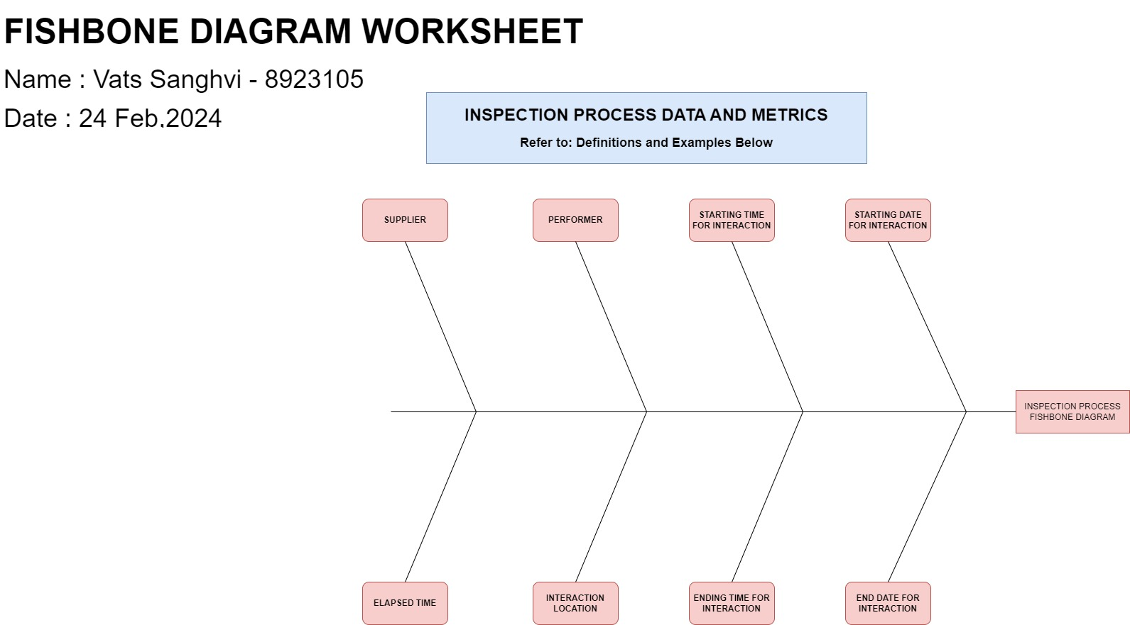
Title | Fishbone Diagram
Source | INFO8136 Case Study 1 Plan A Project
Author | Vats Sanghvi
Date | 24 Feburary,2024

 |  | Actors: | Actor G Inspected parts - Found not ok, Actor Q: Parts standard tables
 |  | Interactions: | Sort into ok or not ok
 |  | Description: | The G interaction will give us the information about the parts that are found to be "Not Ok" and further on the Q interaction is the table which stores the data for determining whether a part is "Ok" or "Not Ok"

Definations and Examples:
Topic 1 Interaction Start Date:
Metric Scope: Capturing the date when the interaction is being started
Metric Parameters: Date format (e.g., DD/MM/YYYY)
Data Example: 25/02/2024
Value/Usefulness: Aids in keeping the track of the interactions timeline and offers a point of reference for perfomance analysis and pattern or trend identification.
Topic 2 Interaction Start Time:
Metric Scope: Capturing the time when the interaction begins
Metric Parameters: Time Format (e.g., HH:MM:SS)
Data Example: 09:30:00
Values/Usefulness: Allows for accurate interaction time tracking which helps with scheduling, managing workload, and spotting possible delays or bottlenecks.
Topic 3 Interaction End Date:
Metric Scope: Capturing the date when the interaction is going to end.
Metric Parameters: Date format (e.g., DD/MM/YYYY)
Data Example: 25/02/2024
Values/Usefulness: Shows when the interactions are finished, making it possible
Topic 4 Interaction Start Time:
Metric Scope: Capturing the time when the interaction ends.
Metric Parameters: Time Format (e.g., HH:MM:SS)
Data Example: 05:30:00
Values/Usefulness: Gives the precise moment at which an interaction ends, making it easier to assess response times, deadline compliance, and possible areas for improvement. Topic 5 Elapsed Time:
Metric Scope: Capturing the duration of an interval.
Metric Parameters: Time diffrence between interaction start time and end time.
Data Example: 05:15:00 (calculated as End Time - Start Time)
Values/Usefulness: Determines the amount of time that passes between and end of interaction, offering insights into productivity and efficiency as well as opportunities to optimize process.
Topic 6 Performer:
Metric Scope: Identifying and the person or any entity responsible for that interaction.
Metric ParametersTextual representation of the performer's name or identifier.
Data Example: John smith.
Values/Usefulness: Assigns accountability by locating the person or thing in charge of the interaction, assisting with workload distribution and perfomance assessment, and resolving any concerns pertaing to performance.
Topic 7 Interaction Location:
Metric Scope: Identifying the physical location and computer application where the interaction takes place.
Metric ParametersTextual representation of the location and application name.
Data Example: App used for inspection.
Values/Usefulness: Aids in locating the sights of interactions, enabling the analysis of trends unique to a given location, the distribution of the resource, and the identification of any geographical limitation of dependencies.
Topic 8 Supplier:
Metric Scope: Capturing the supplier information related to the inspected parts.
Metric parameters: Textual representation of the supplier's name or identifier.
Data Example: ABC Manufacturing.
Values/Usefulness: Maintains track of the supplier data of parts that have been inspected, allowing for quality assurance, supplier perfomance assessment, and standard compliance.

